COR
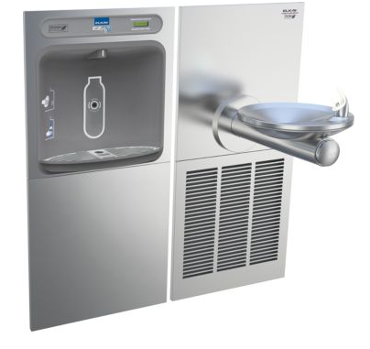
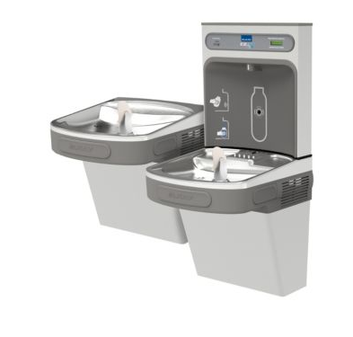
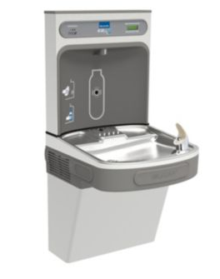
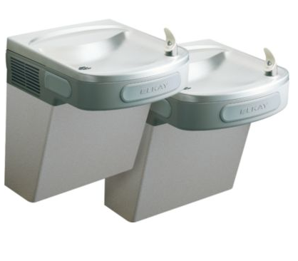
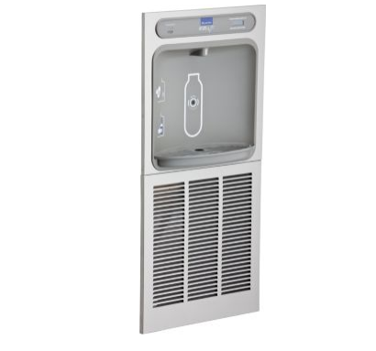
 |  |  |  |  |  |  | PROJECT: | CORA
 |  |  |  |  |  |  | DATE: | 2016-11-28
 |  |  |  |  |  |  | RFI/ASI:

DESCRIPTION OF CHANGE/WORK PERFORMED

CHANGE TRENCH DRAINS TO AREA DRAINS AT GARAGE ENTRANCES

 |  | Labor |  |  |  | Material/Equipment |  |  |  | SUB TIER
Item | Description | Quan | UOM | Unit Cost | Total | Quan | UOM | Unit Cost | Total | UOM | Total

 | IMAGING & CORE DRILLING COORDINATION | 2.0 | HRS | $80.00 | $160
 | IMAGING & CORE DRILLING - 5EA CORE DRILLS WITH 5EA ADDITIONAL CORES TO GET THE DRAIN TO FIT DOWN IN THE CONCRETE |  |  |  |  |  |  |  |  | LS | $1,500.00
 | WATTS FD33 DRAINS |  |  |  |  | 5 | EA | $85.00 | $425
 | ADDITIONAL PIPING | 3 | HRS | $60.50 | $182 | 30 | LF | $1.85 | $56
 | SUPERVISION | 2 | HRS | $80.00 | $160

 | Subtotals |  |  |  | $502 |  |  |  | $481 |  | $1,500
 | OH & Profit |  |  | 15% | $75 |  |  | 15% | $72 | 15% | $225.00
 | Totals |  |  |  | $577 |  |  |  | $553 |  | $1,725.00
 | Total this item
 | 2,854

